Graphs
The Value from the BAR is the Total Count of Employee Inputs without Errors, Means the higher the better performance from the Employee and Team Leader. Ranked from Low to High | Tracker to visualize every employee's personal ERRORS Count Every MONTH this tool can help Team Leaders to track HOW MANY and WHEN did the Employee increased or decreased their errors.
Select specific employee Name
Employee Error Monthly Tracker
 | Total
Jan | 19
Mar | 76
Apr | 4
Jun | 35
Nov | 10
Dec | 24
TL ranking on No Errors Count
 | Total
Joey Jordison | 136925
Don De Marco | 139834
Buckey Barnes | 160903

To Visualize numbers of Errors being made per Shift, Some factor may affect Employees or Teamleaders Performance like Drowsiness, Fatigue, Etc. Depends of their Day time or Night time shift. | To Visualize if Tenure Counts Affects Employees Productivity Rate, does being tenured can result to a high productivity Rate? -From that chart is shows the downward Trendline

Tenure vs Total
 | Total
1 | 45575
2 | 49104
3 | 47665
4 | 48118
5 | 40143
6 | 44473
7 | 48001
8 | 46813
9 | 35644
10 | 40596
Number of Error per Shift
 | Total
AM | 2764
MID | 2844
PM | 2862

 | This Pie Chart shows the Percentage per Team Leaders of MI/ERROR being Made by their Employee - as we can see Buckey has the most percentage of the Errors with 4136 counts

To Visualize Monthly Total Inputs being made within the Months of Year 2017

Total Task Completed
 | Total
Jan | 44106
Feb | 30698
Mar | 37962
Apr | 38702
May | 35921
Jun | 36073
Jul | 36401
Aug | 39794
Sep | 29782
Oct | 25948
Nov | 50029
Dec | 40716
TL Employee Error Chart
 | Total
Buckey Barnes | 4136
Don De Marco | 2233
Joey Jordison | 2101

SQL
Based from the ERROR RATE tab. Create an SQL Query that will pullout the Error Rate Summary per TL (Team Lead)

Output Format:

Team Lead | No Error | MI Error | Error Rate | Count of M/I Errors | Average Error Rate
Joey Jordison | 136925 | 2101 | 3.1789 | 187 | 0.016999465241
Don De Marco | 139834 | 2233 | 3.2993 | 187 | 0.017643315508
Buckey Barnes | 160903 | 4136 | 5.8529 | 209 | 0.02800430622
RESULT FROM MsSQL to Excel
ACTUAL Server Query
teamlead | No_Errors | MI_Errors | Error_Rate | Count_of_MI_Errors | Avg_Error_Rate
Joey Jordison | 136925 | 2101 | 3.1789 | 187 | 0.016999465241
Don De Marco | 139834 | 2233 | 3.2993 | 187 | 0.017643315508
Buckey Barnes | 160903 | 4136 | 5.8529 | 209 | 0.02800430622

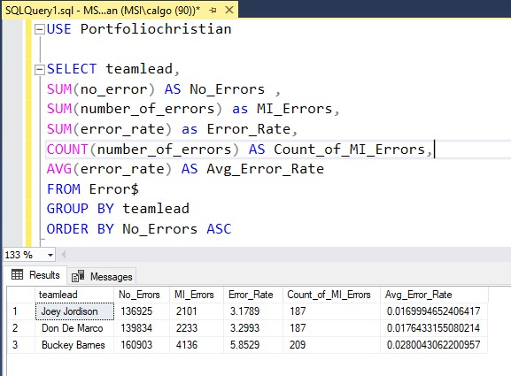
USE Portfoliochristian SELECT teamlead, SUM(no_error) AS No_Errors , SUM(number_of_errors) as MI_Errors, SUM(error_rate) as Error_Rate, COUNT(number_of_errors) AS Count_of_MI_Errors, AVG(error_rate) AS Avg_Error_Rate FROM Error$ GROUP BY teamlead ORDER BY No_Errors ASC

Solution Note: I use Order by No_Errors in ASC form

